Enkencement ticket
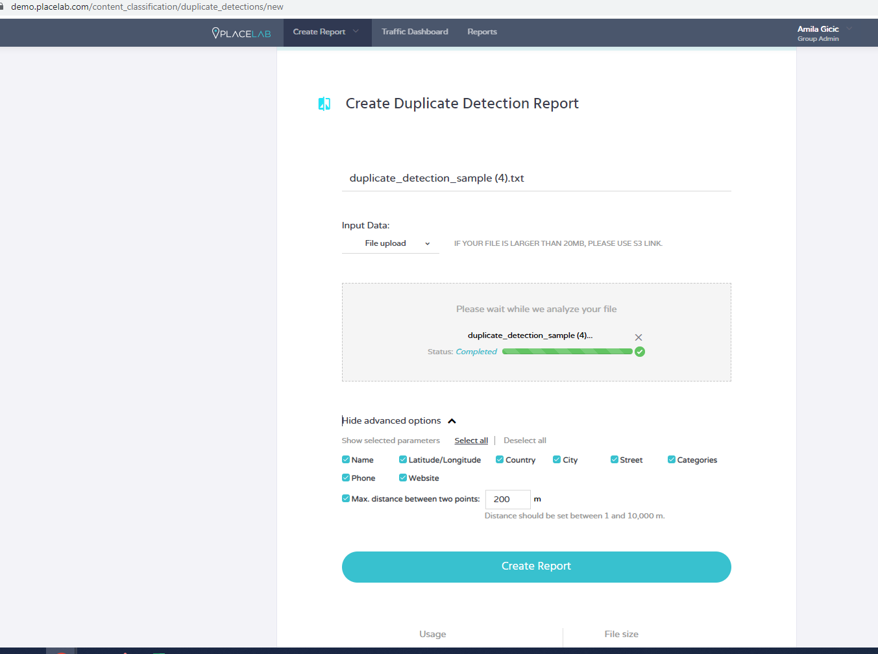
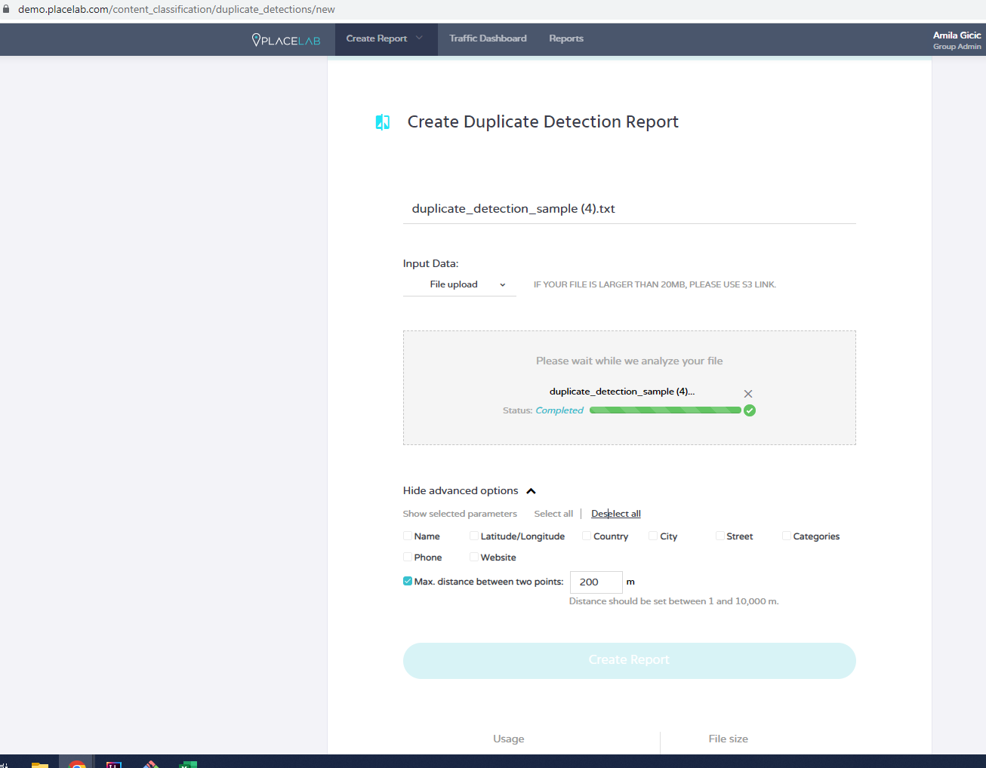
Category | Label | Value | Value | Value
Enhancement ID | ID number | #001 | #002 | #003
 | Name | There is no information message for user to know which are mandatory fields when creating Duplicate Detection report | User is able to use other symbols beside alphabet and numbers when populating Report name. | User is not able to create new Duplicate Detection report when deselect all parameters from "Show advanced options" dropdown menu.
 | Reporter | Amila Gicic | Amila Gicic | Amila Gicic
 | Submit date | 30.5.2023. | 30.5.2023. | 30.5.2023.
Enhancement overview | Summary | Every single field should have red star ( * )in left corner of the written text so user knows this is the mandatory field to successfully finish the action or user should get some kind of info message that he missed filling in mandatory field. | User should not be able to use other symbols beside alphabet and numbers when populating Report name because it is not easy to see about what it is, Report name should have precise name about what it is. | User should get warning message that it is not possible to create new Duplicate Detection report when deselecting all parameters from "Show advanced options" dropdown menu.
Environment | Platform | QA | QA | QA
 | Operating System | Windows 10 Pro | Windows 10 Pro | Windows 10
 | Browser | Google Chrome | Google Chrome | Google Chrome
Enhancement details | Steps to reproduce | 1. Click on "Create report" field on navigation bar on top of Placelab demo page. | 1. Click on "Create report" field on navigation bar on top of Placelab demo page. | 1. Click on "Create report" field on navigation bar on top of Placelab demo page.
 |  | 2. After dropdown menu opens click on "Duplicate Detection" field below the "CONTENT CLASSIFICATION " | 2. After dropdown menu opens click on "Duplicate Detection" field below the "CONTENT CLASSIFICATION " | 2. After dropdown menu opens click on "Duplicate Detection" field below the "CONTENT CLASSIFICATION "
 |  | 3. Check if there are some messages about mandatory fields needed to be populated to create Duplicate Detection report | 3. In "new Dropzone Preview" box, click on "Sample file" so user can download sample file which is going to be used | 3. In "new Dropzone Preview" box, click on "Sample file" so user can download sample file which is going to be used
 |  |  | 4. Click on "Browse" field so user can upload previous sample file which is going to be used for creating the report | 4. Click on "Browse" field so user can upload previous sample file which is going to be used for creating the report
 |  |  | 5. Fill "Enter report name" field with different characters (///|||qq2234%$#@|/<.{{}}) | 5. Click "Show advanced options" button
 |  |  | 6. Click "Create report" button | 6. Click "Deselect all" parameters

 | Expected result | User should be able to see marked mandatory fields needed to be populated to successfully finish creating Duplicate Detection report. | User should not be able to create new Duplicate Detection report with symbols and characters that are not alphabet and number. | Warning message appears "It is not possible to create new Duplicate Detection report when deselecting all parameters from "Show advanced options" dropdown menu.
 | Actual result | User is not able to see marked mandatory fields needed to be populated to successfully finish creating Duplicate Detection report. (Attachment No. 1) | User is able to create new Duplicate Detection report with using only symbols and characters. (Attachment No. 2) | User is not able to create new Duplicate Detection report when deselect all parameters from "Show advanced options" dropdown menu. "Create report" button is not active, but there is no warning message what is wrong and why it can not be created. (Attachment No 3 and 4)
 | Description
Enhancement tracking | Severity | Minor | Minor | Minor
 | Assigned to | Dev | Dev | Dev
 | Priority | 4 | 4 | 4
Notes | Notes | / | / | /

Attachment No. 1

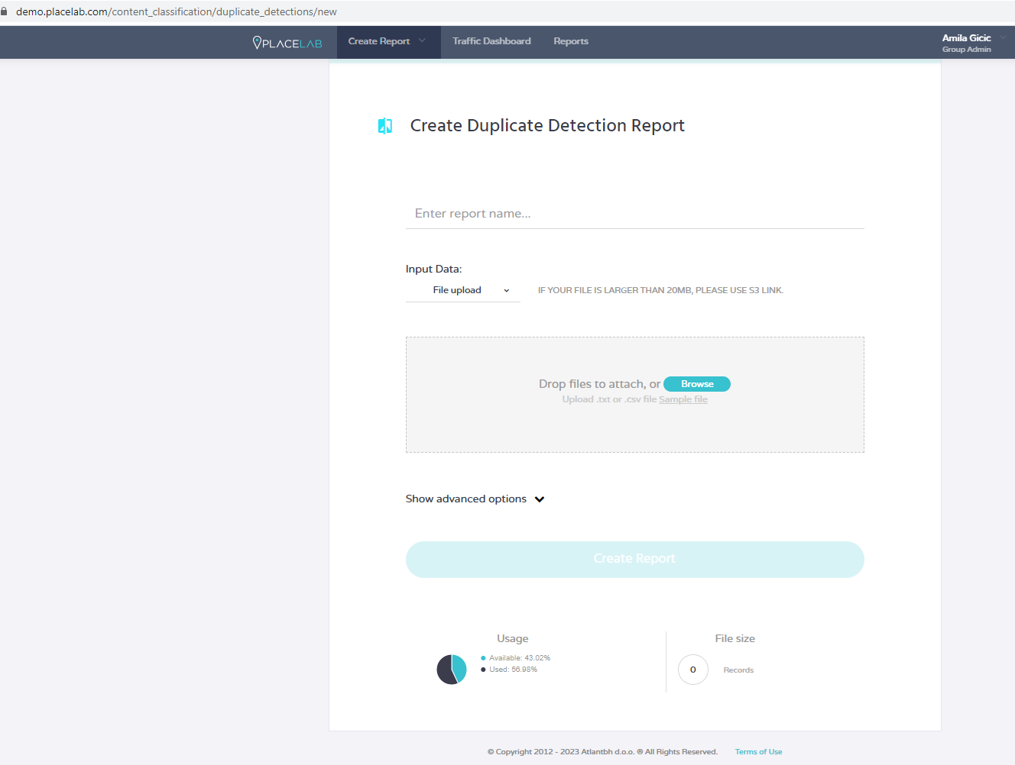

Attachment No. 2

Attachment No. 3 |  |  |  | Attachment No. 4

